Cover
Pacific Nexus

Financial Workpapers for the
Period Ending 03/31/2026

Prepared by:


Analytix Solutions

For Internal Management Purpose Only

AL
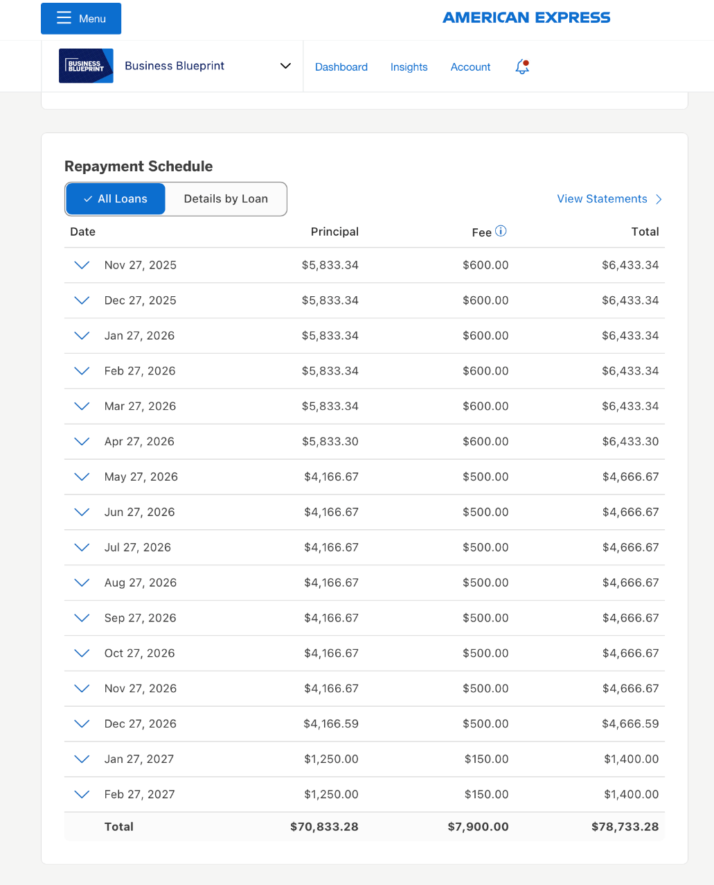
Pacific Nexus |  | Home
Period Ending 03/31/2026 |  | Balance Sheet
 |  | Profit & Loss
2515 AMEX Loan #3344 |  | PL-Division (YTD)
 |  | PL-Division (Month)

Balance as per GL | $41,666.70

Loan Statement |  |  | Amex Loan Schedule

 |  |  | Date | Name | Period | Account | Amount | Total - 2025 | Jan-26 | Feb-26 | Mar-26 | Apr-26 | May-26 | Jun-26 | Jul-26 | Aug-26 | Sep-26 | Oct-26 | Nov-26 | Dec-26 | Total | Balance
 |  |  | 12/18/2024 | American Express Loan | 12 Months |  | $166,400.00 | $107,233.28 | $5,833.34 | $5,833.34 | $5,833.34 | $5,833.34 | $4,166.67 | $4,166.67 | $4,166.67 | $4,166.67 | $4,166.67 | $4,166.67 | $4,166.67 | $4,166.67 | $56,666.72 | $2,500.00
 |  |  |  |  |  |  | $-
 |  |  |  |  |  |  |  | $107,233.28 | $53,333.38 | $47,500.04 | $41,666.70 | $35,833.36 | $31,666.69 | $27,500.02 | $23,333.35 | $19,166.68 | $15,000.01 | $10,833.34 | $6,666.67 | $2,500.00 |  | $2,500.00

